Checklist
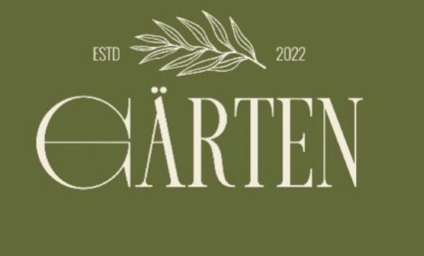 |  | GÄRTEN - BAR AREA CHECKLIST

 |  | Branch: [Trivium / Lake Town] Date: __________ Shift: [AM / PM]

Section | Task Description | Completed? | Issues Faced | Action Taken | Signature | Photo Ref | Timestamp
OPENING - BAR AREA
 | Station Setup: Sanitize bar counter (top and bottom), sinks, and prep surfaces.
 | Equipment Check: Turn on coffee machine, blender, and juicers; ensure all are working.
 | Coffee Calibration: Dial in espresso grinder, check extraction time and temperature.
 | Bar Tools: Organize shakers, strainers, spoons, and jiggers; ensure all are present.
 | Prep & Stock: Prepare garnishes (citrus, herbs), check syrups and juices.
 | Ice Supply: Fill ice bins with fresh, clean ice.
 | Glassware: Ensure all glasses are polished and stored correctly.
 | Fridge Check: Check temperatures, restock bottled drinks (FIFO).
 | Drains & Sinks: Ensure bar drains are clean and sinks are organized.
 | Expiry Dates: Check expiry dates of all bar products.
 | Stock Analysis: Check and analyze stock levels for daily sales.
CLOSING - BAR AREA
 | Equipment Cleaning: Backflush espresso machine, clean blender jars.
 | Surface Sanitation: Deep clean bar mats, sinks, and counters.
 | Stock Inventory: Record low items, store perishables in fridge.
 | Fridge Maintenance: Wipe down fridge interiors, check seals.
 | Glassware: Wash and polish all used glassware.
 | Trash & Drains: Empty bar bins, flush drains with hot water/sanitizer.
 | Power Down: Turn off non-essential bar equipment.

Manager on Duty Signature: ____________________ |  |  |  | Operations Manager Signature: ____________________

